Case #1
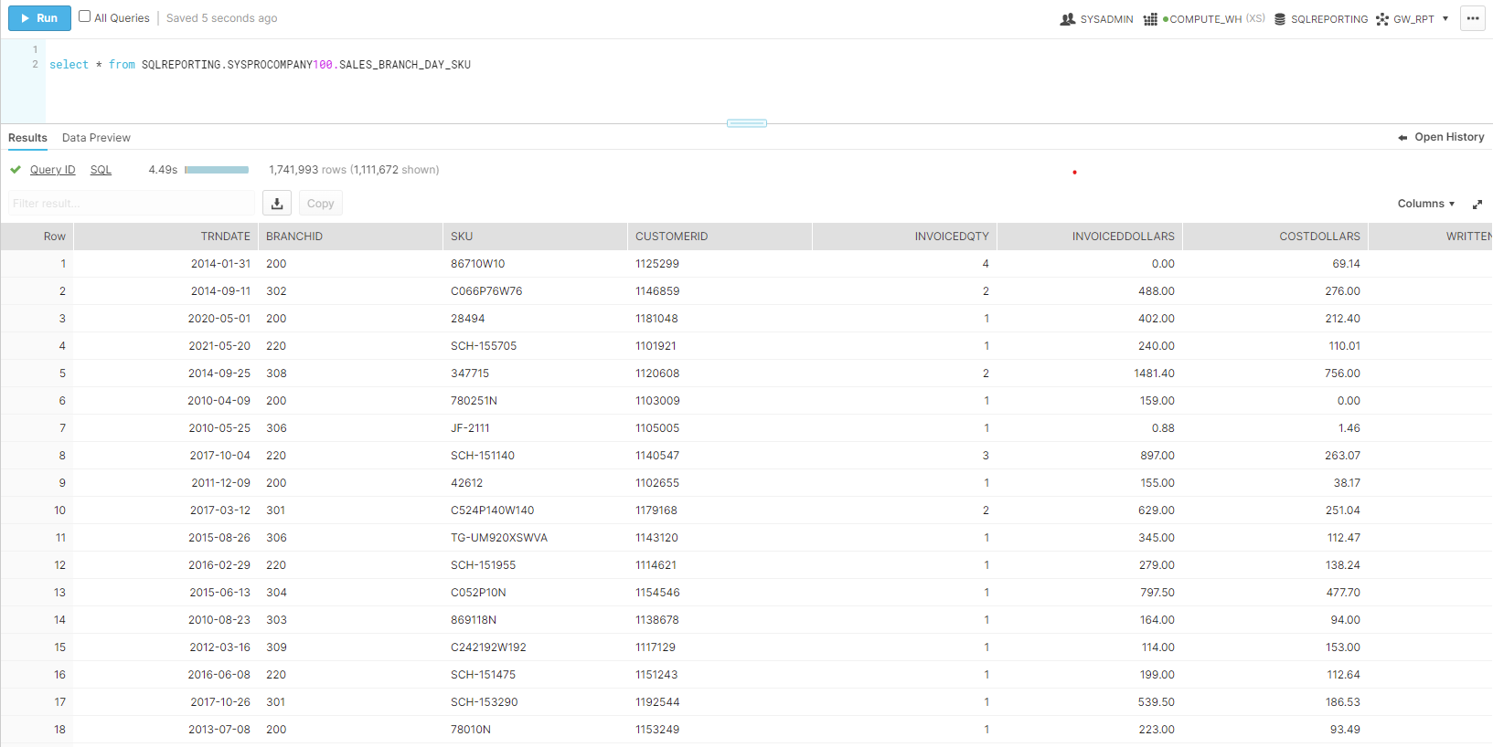
Justin Pope Dev Test
Test Case No. | 1
Process | Create and Execute Job for Sales_Branch_Day_Sku
Test Consideration | 1) run job in talend 2) select data from table in snowflake
Test Condition |  | Data Used | How To Verify | Actual Results
Tasks
1 | run job in Talend | Data from SQLReporting |  | No errors
2 | Query Table from Snowflake |  | If data returns it works | screen shot below
Verification

